Plots
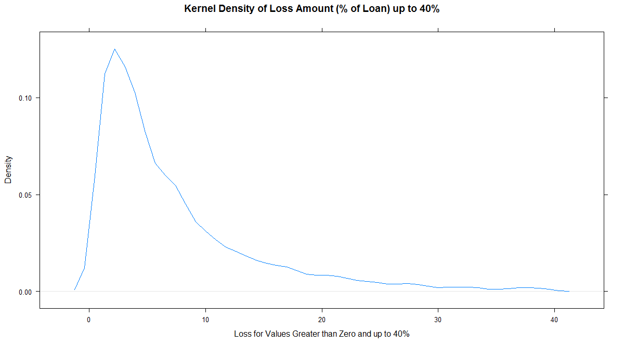
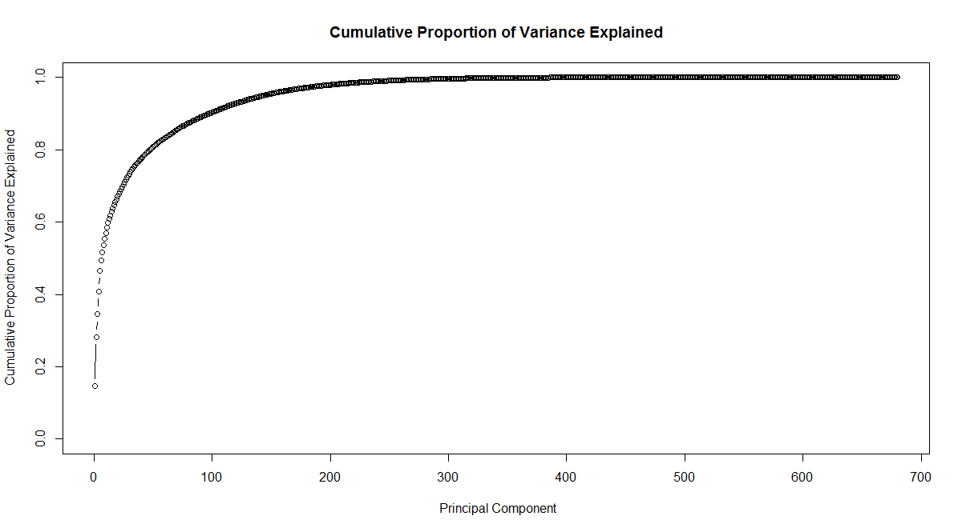
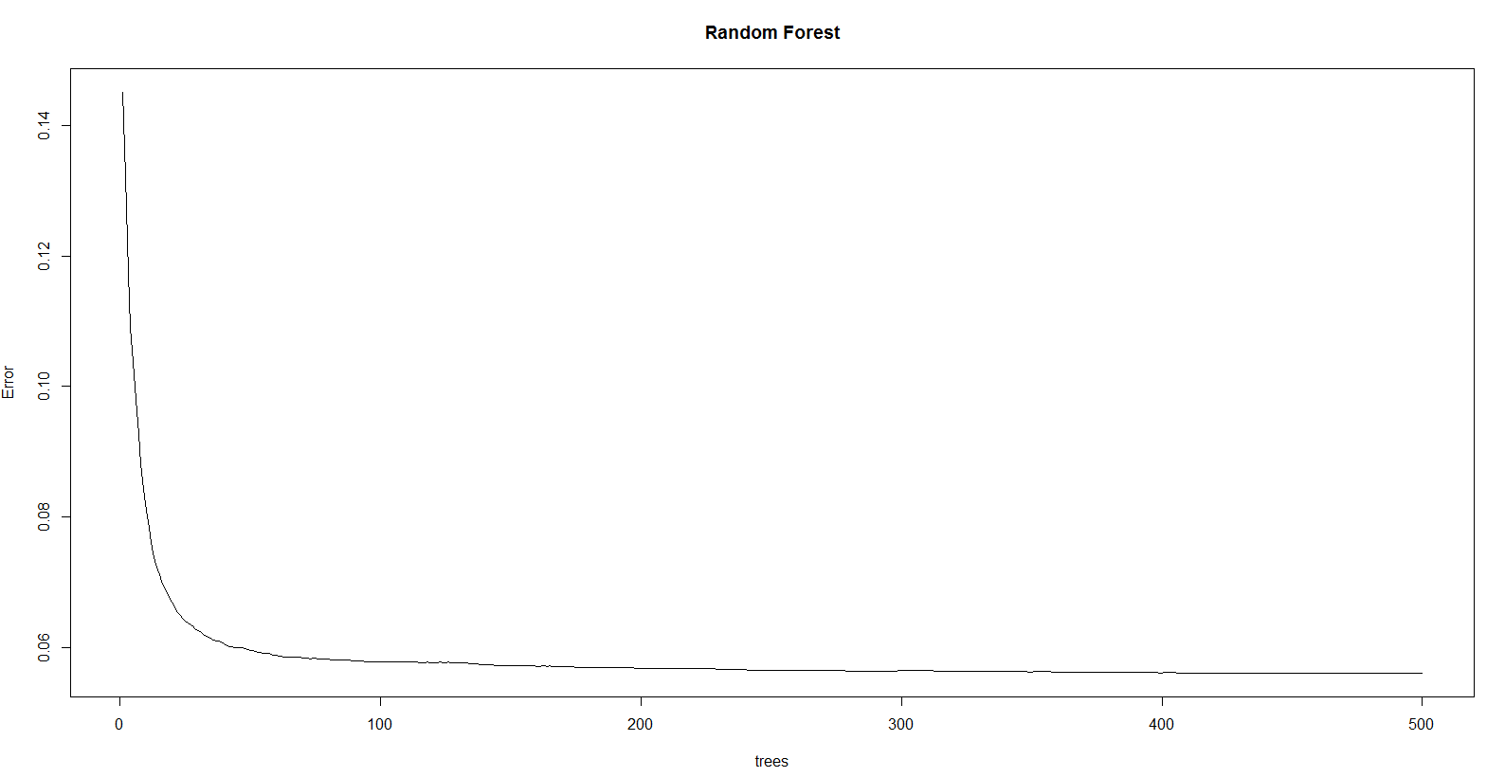
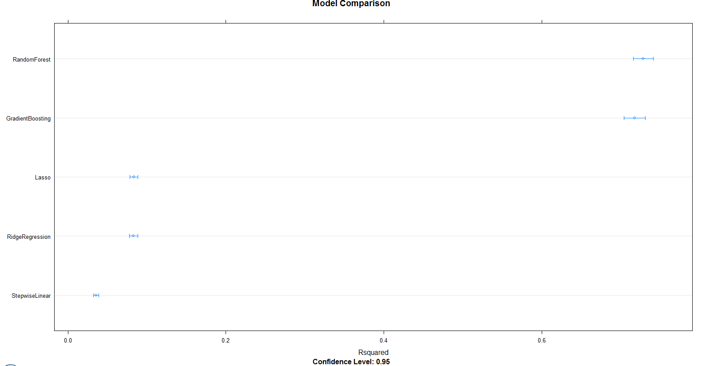
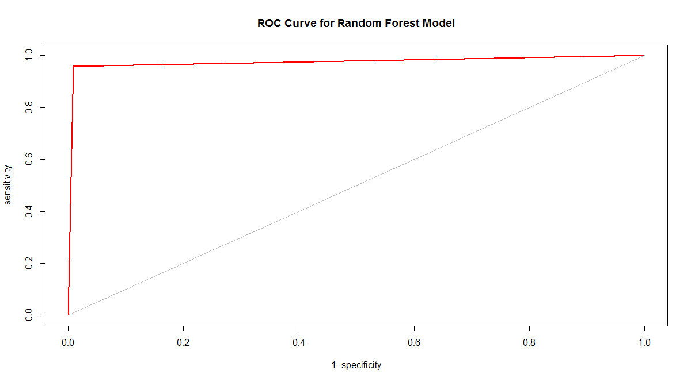
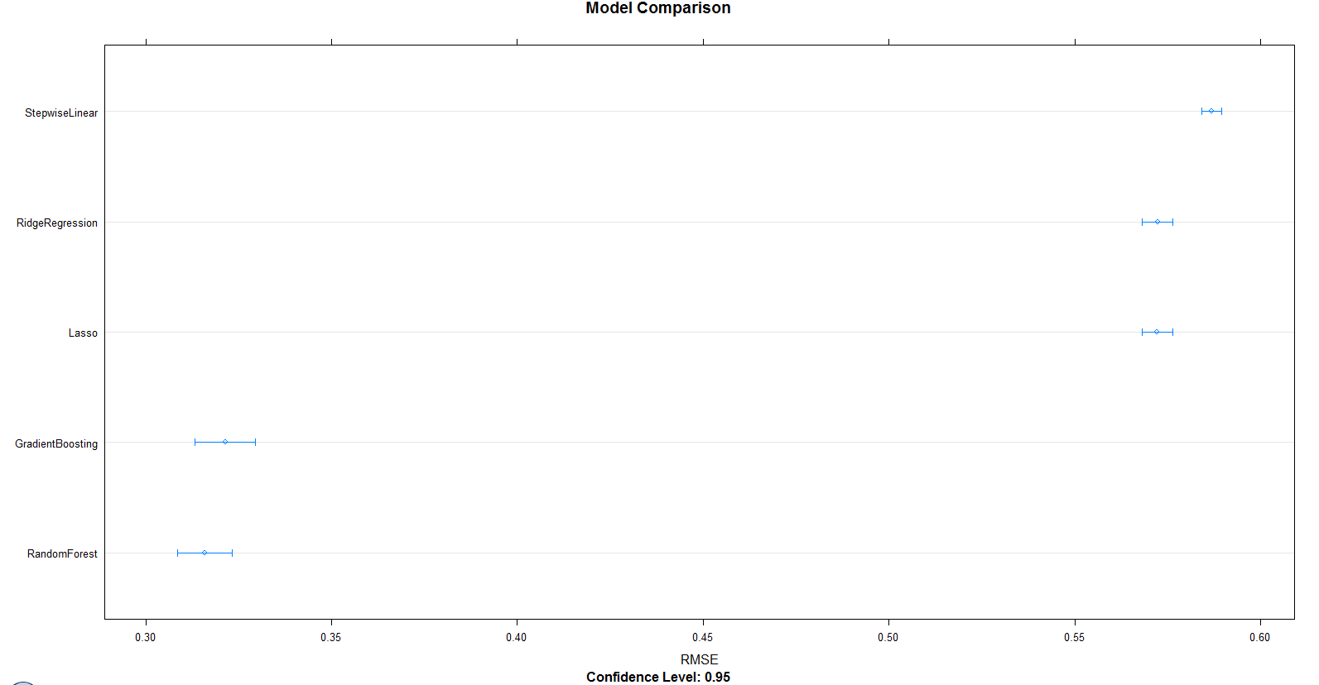
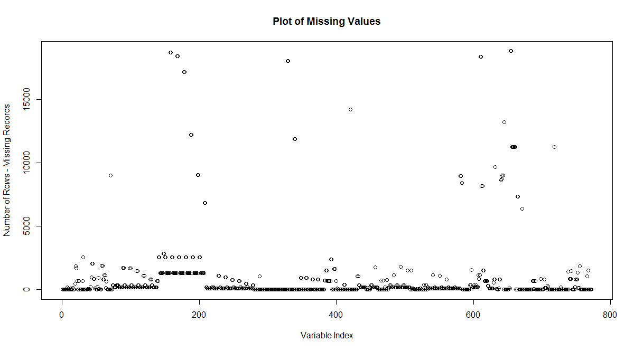
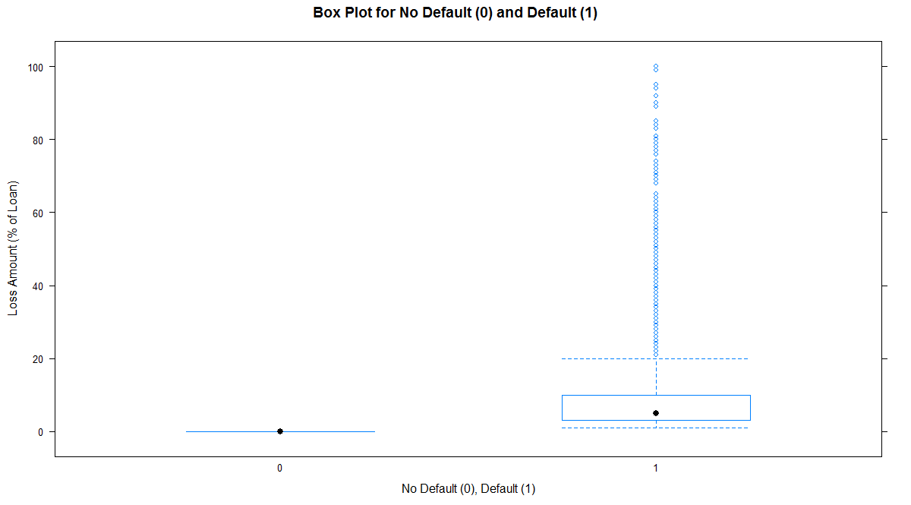
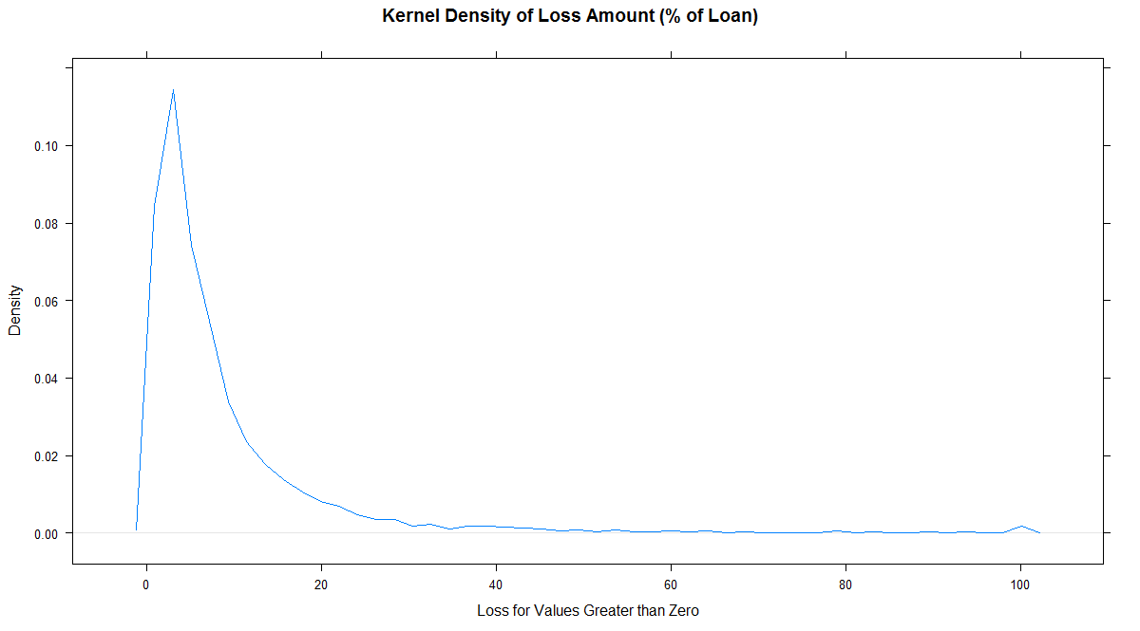
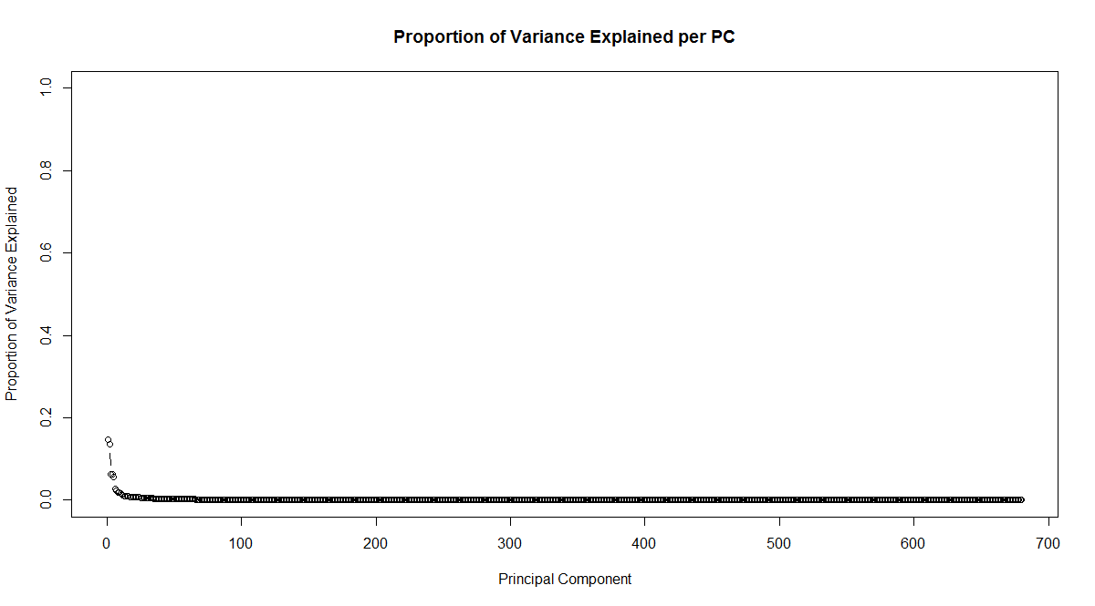
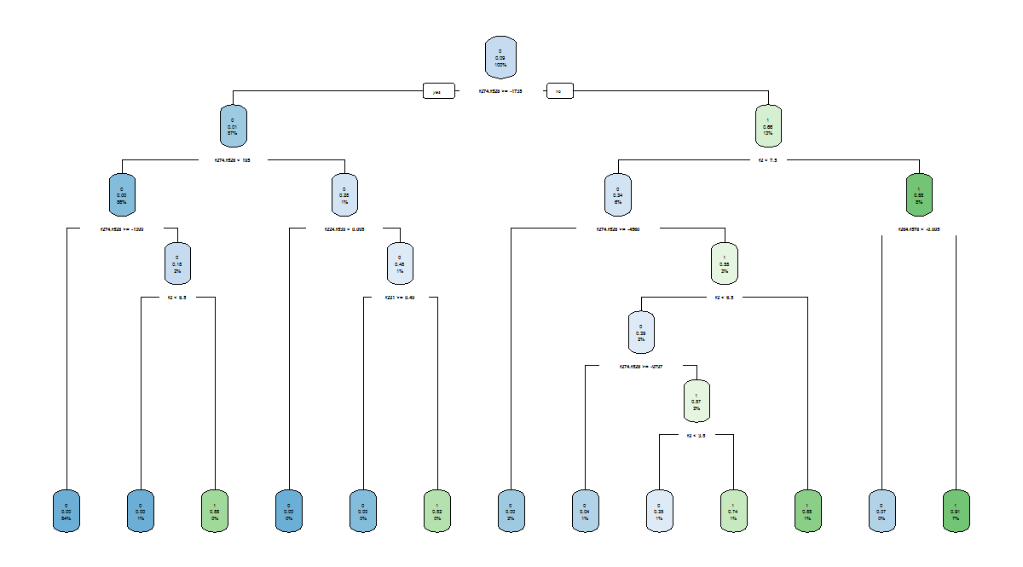
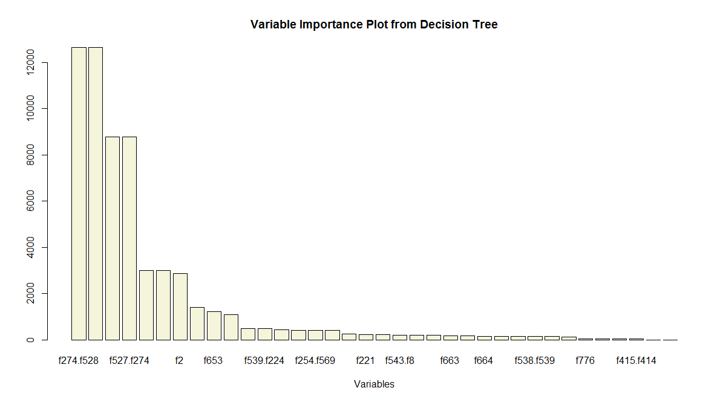
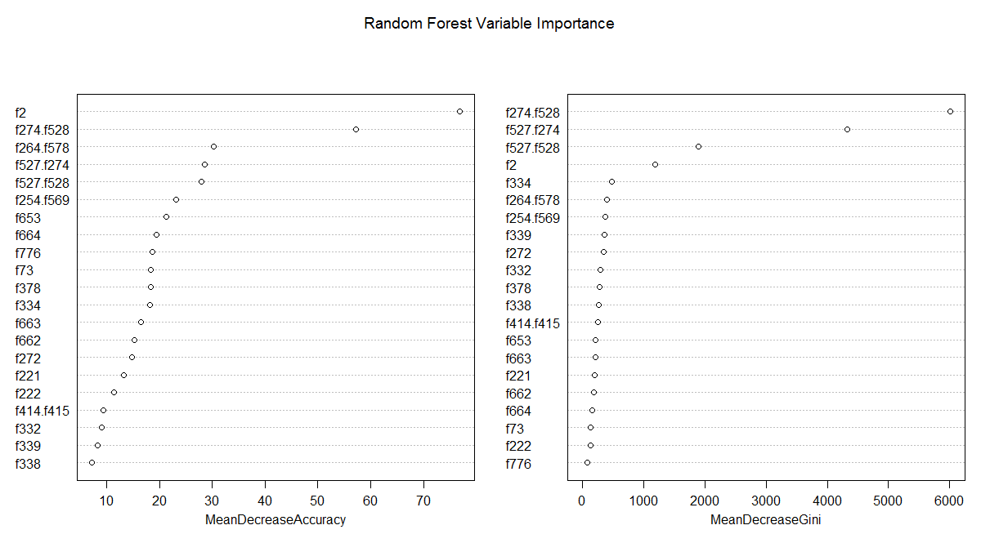
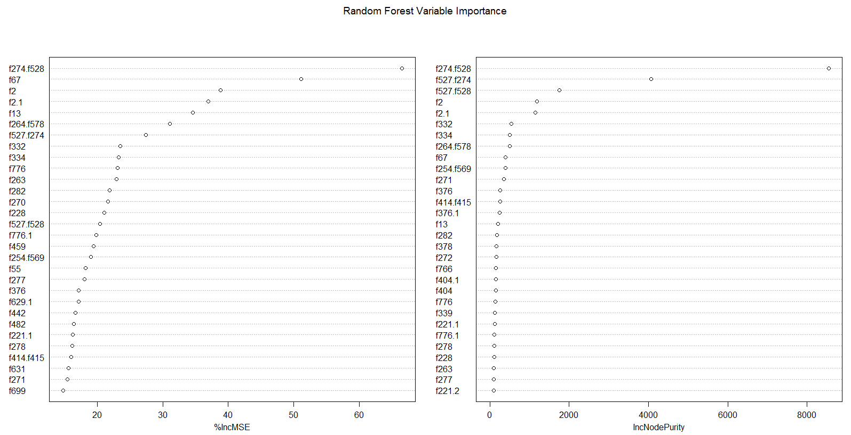
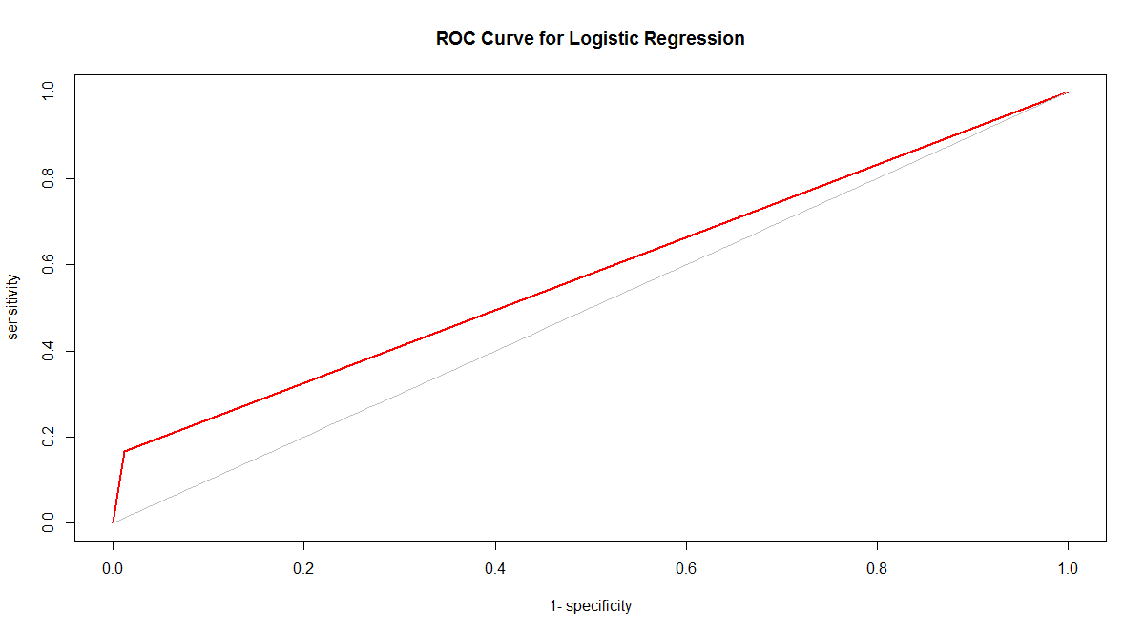
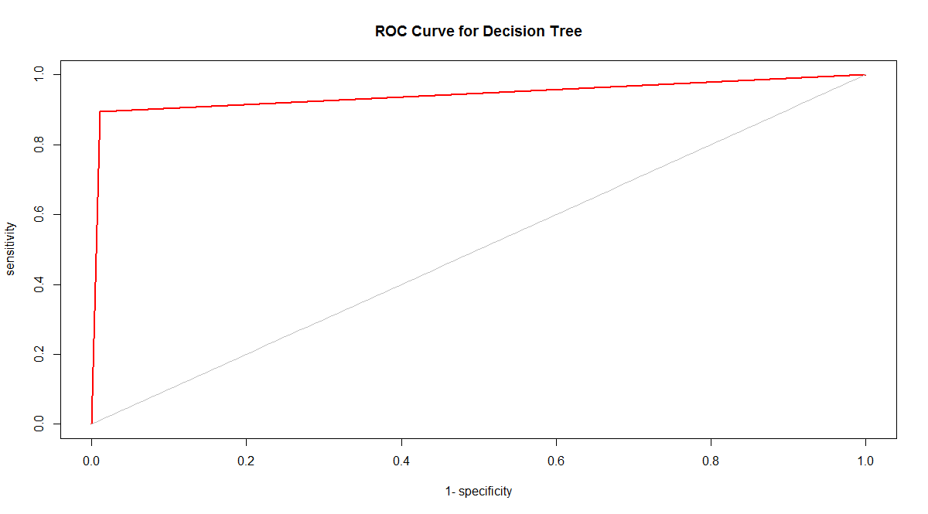
Figure 1. Plot of missing values for the training data set. | Figure 2. Box plots of loss amounts conditioned on no default and default. | Figure 3. Kernel density of loss amount conditioned on the value being greater than zero. | Figure 4. Kernel density of loss amount conditioned on the value being greater than zero | Figure 5. Proportion of variance explained by Principal Components ("PCs"). | Figure 6. Cumulative proportion of the variance explained through successive | Figure 7. Plot of a decision tree fit on the entire dataset for EDA with default the response variable. | Figure 8. Variable importance plots for EDA from a decision tree and the entire dataset with default as the response variable. | Figure 9. Variable importance plot for EDA from Random Forest and the entire dataset with default as the response variable. | Figure 10. Variable importance plot for EDA from Random Forest and the entire dataset with loss as the response variable. | Figure 11. RMSE from Random Forest used for EDA to determine error as a function of number | Figure 12. ROC curves for each of Logistic Regression, Decision Tree, and Random Forest models fit on training data and used to predict out-of-sample on the validation data. | Figure 13. R-squared and RMSE for various modeling methods with loss as the response variable.
 |  |  | and less than 40%. |  | Principal Components ("PCs"). |  |  |  |  | of trees and variable importance with loss as the response variable.

